Exploratory Testing
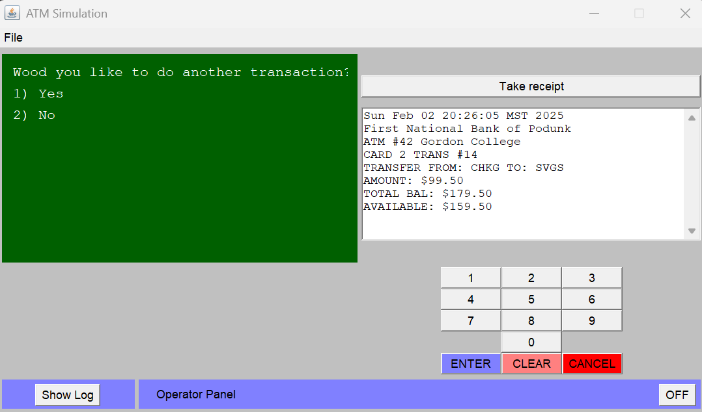
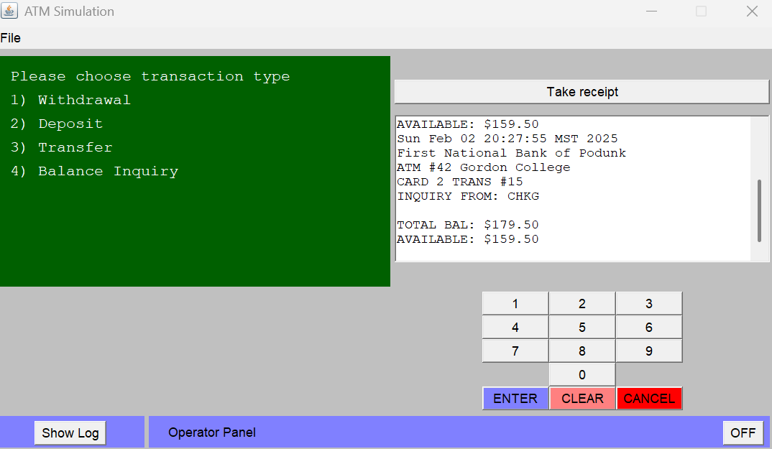

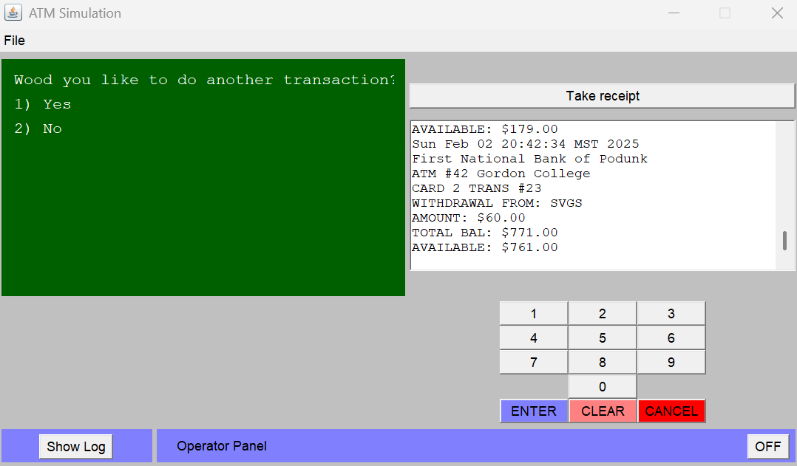
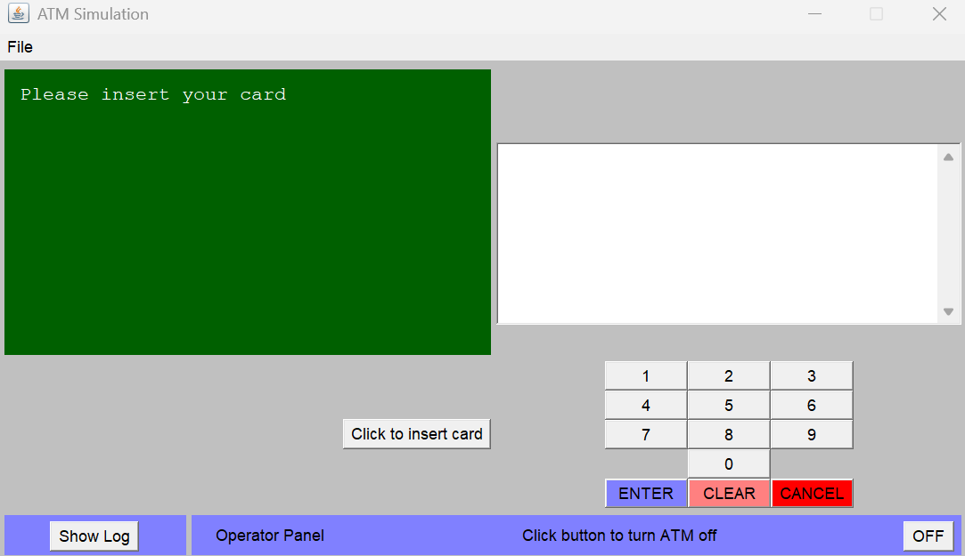
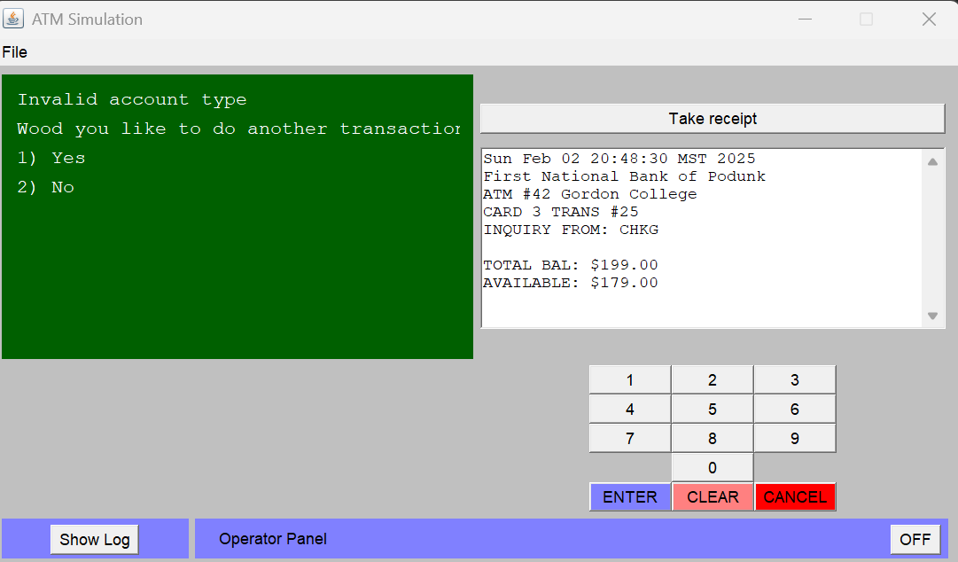
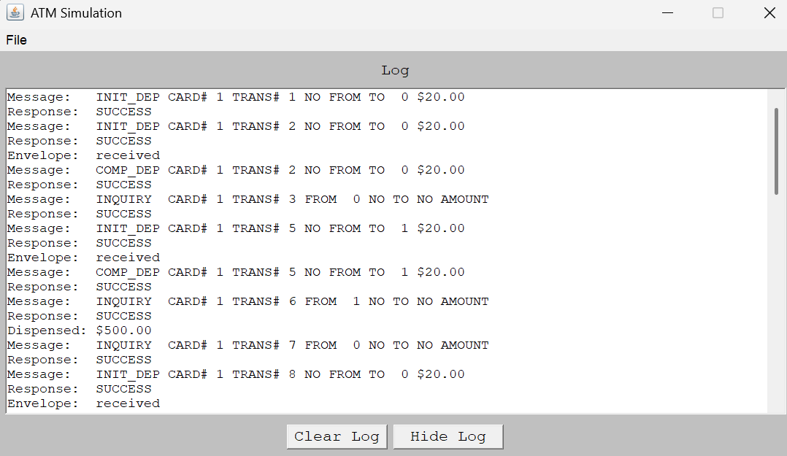
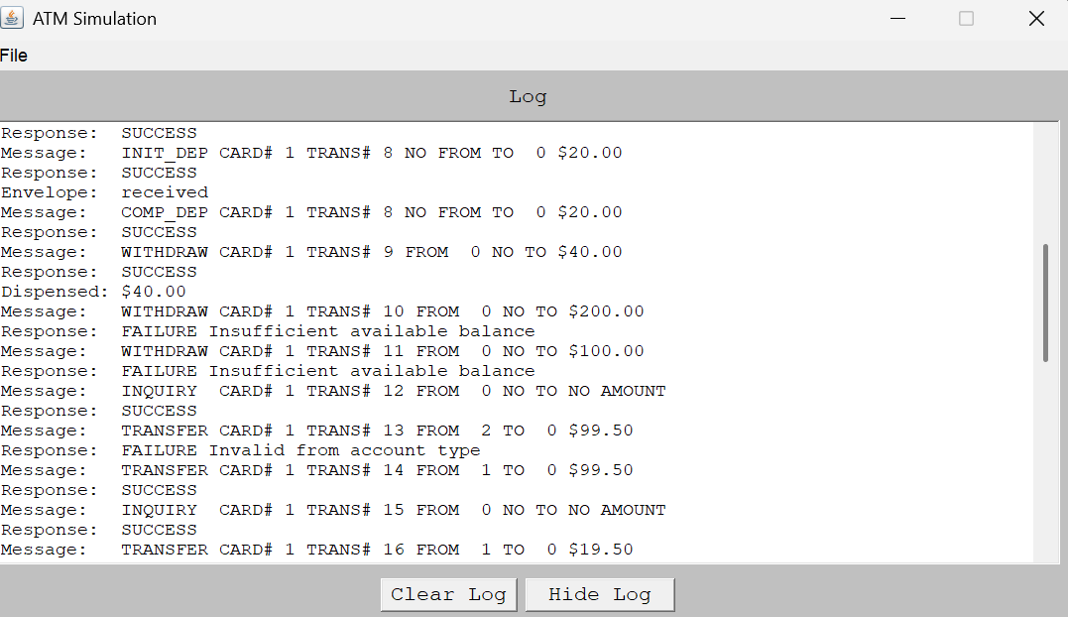
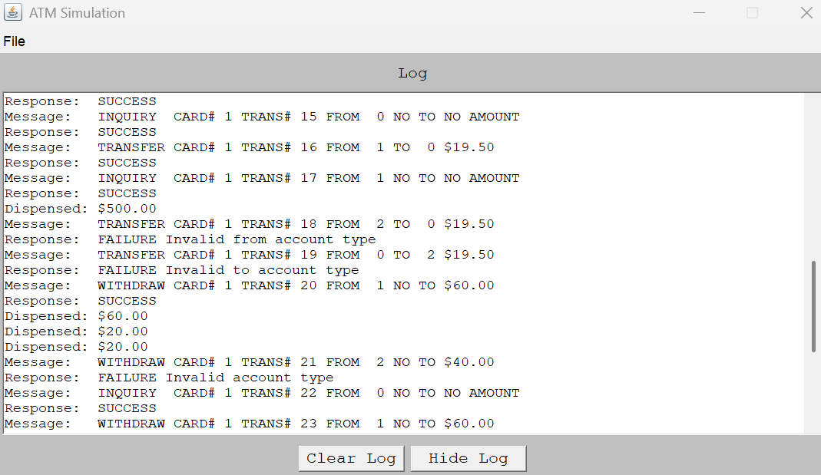
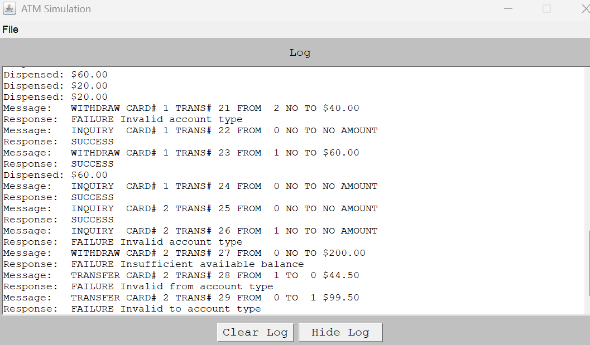
TestID | Use Case | Input/Test Summary | Status | Expected Outcome | Outcome v1.0 | Outcome v1.1 | Notes
T1 | Session | Turn system "on" and insert 10 (so there is $200 in the machine) |  | Valid input, would accept amount and let customer insert card now | Pass - after input 10, machine prompts to insert card | Pass
T2 | PIN/Card | Log in with Card#1 and correct PIN (42) | ATM: $200; Card1; Checking - $100; Savings $1000; Money Market $5000 | Accept card number and PIN and display transaction options for account | Pass | Pass
T4 | Inquiry | Balancy Inquiry action for account balance | ATM: $200; Card1; Checking - $100; Savings $1000; Money Market $5000 | Checking, Savings and Money Market show as option to review their balance | Failed - Savings account did not appear as option | Pass
T5 | Inquiry | Balance Inquiry for checking | ATM: $200; Card1; Checking - Total Bal: $100, Avail:$100 | Shows receipt with: Transaction#1, Card#1, Checking Account, Total balance: $100, Available: $100, Displays prompt to continue with another transaction. A message in ATM log for transaction1 | Failed - Shows Card#2 | Failed - Shows Card#2
T6 | Deposit | Deposit small amount ($20) in checking account | ATM: $200; Card1; Checking - Total Bal: $100, Avail:$100 | Shows receipt with: Transaction#2, Card#1, Checking Account, Amount Deposited: $20, Total balance: $120, Available: $120, Displays prompt to continue with another transaction. 2 Messages to ATM log for transaction2 | Failed - incorrect total balance ($110) and incorrect available $100). Card#2 continues to show | Failed unless deposits cost $0.10 - incorrect total balance ($119.90) and incorrect available $100). Card#2 continues to show |  | 1 | - The function being tested (e.g. login)
T7 | Withdraw | Withdraw valid amount ($20) from checking account | ATM: $200; Card1; Checking - Total Bal: $110, Avail:$100 | Shows receipt with: Transaction#3, Card#1, Checking Account, Amount withdrawn: $20, Total balance: $110, Available: $100, Displays prompt to continue with another transaction. 1 Message to ATM log for transaction3 | Failed - incorrect Amount withdrawn: $40, incorrect Total balance: $70, incorrect available: $60. Card#2 continues to show. Log shows $40 dispensed | Pass (except Shows Card#2) |  | 2 | - The initial state of the system (e.g. the system is on and idle)
T8 | Inquiry | Balance Inquiry for checking | ATM: $160; Card1; Checking - Total Bal: $70, Avail:$60 | Shows receipt with: Transaction#4, Card#1, Checking Account,Total balance: $70, Available: $60, Displays prompt to continue with another transaction. Messages to ATM log for transaction4. (assuming the incorrect balance from T7 is the new balance) | Pass - shows Card#2, Total balance: $70, available: $60 | Same as T5 |  | 3 | - Detailed steps to reproduce the defect/bug (e.g. insert a card, enter the correct card number and PIN)
T9 | Transfer | Transfer small amount ($20) from Savings to Checking account | ATM: $160; Card1; Checking - Total Bal: $70, Avail:$60; Savings: $1000 | Shows receipt with: Transaction#5, Card#1, Transfer from Savings to Checking Account, Amount: $20, Total balance: $90, Available: $80, Displays prompt to continue with another transaction. Messages to ATM log for transaction9. Savings has $980 balance | Failed - Shows Card#2, Transfer from Checking to Savings Account, Amount: $19.50, Total balance: $89.50, Available: $79.50, Savings likely has a balance of $980.50. Log shows transgfer of $19.50 | Failed - Shows accounts to and from backwards |  | 4 | - The expected outcome (e.g. the system should successfully accept the customer and display the banking menu)
T10 | Inquiry | Balance Inquiry for checking | ATM: $160; Card1; Checking - Total Bal: $89.50, Avail:$79.50; Savings: $980.50 | Shows receipt with: Transaction#6, Card#1, Checking Account, Total balance: $120, Available: $120, Displays prompt to continue with another transaction. Messages to ATM log for transaction6 | Failed - Shows Card#2, Total balance: $89.50, Available: $79.50 | Same as T5 |  | 5 | - The actual outcome (e.g. the system crashes or displays an error message)
T11 | Inquiry | Balance Inquiry for Money Market on card 1 | ATM: $160; Card1; Checking - Total Bal: $89.50, Avail:$79.50; Savings: $980.50; Money Market: 5000 | System displays "Invalid account message" due to card 1 not having Money Market. | Failed - "Error unknown" displayed in green screen. $500 amount shown in section for amount withdrawn box temporarily. Receipt with Card#2, Savings Account, Total balance: $980.50, Available $980.50. Log shows Dispensed: $500 | Pass |  | 6 | - The priority or severity of the bug (low, medium, high, or critical)
T12 | Cancel | Deposit $20 to checking account - test for time-out period | ATM: $160; Card1; Checking - Total Bal: $89.50, Avail:$79.50; Savings: $980.50; Money Market: 5000 | Transaction is cancelled. Log shows 1 message | Pass - transaction was cancelled automatically with a message. | Pass |  | 7 | - TThe version of SUT (V 1.0/ V 1.1) in which the bug was found.
T13 | Deposit | Deposit $20 to checking account | ATM: $160; Card1; Checking - Total Bal: $89.50, Avail:$79.50; Savings: $980.50; Money Market: 5000 | Shows receipt with: Transaction#9, Card#1, Checking Account, Amount Deposited: $20, Total balance: $109.50, Available: $99.50, Displays prompt to continue with another transaction. Log shows 2 messages | Failed - shows Card#2, Total balance: $99.50, available: $79.50. | Same as T6
T14 | Withdraw | Withdrawing over balance amount from Checking (withdraw $200) | ATM: $160; Card1; Checking - Total Bal: $99.50, Avail:$79.50; Savings: $980.50; Money Market: 5000 | Displays message of over balance amount | Pass - Insufficient cash available showns | Pass
T15 | Withdraw | Withdrawing invalid amount from checking (Select 6, which is not an option in the display) | ATM: $160; Card1; Checking - Total Bal: $99.50, Avail:$79.50; Savings: $980.50; Money Market: 5000 | Displays error message and prompts to input amount again | Failed - $20 is displayed in gray box, no receipt is made. Log shows Dispensed: $20. No receipt | Failed - $20 is displayed in gray box, no receipt is made. Log shows Dispensed: $20. No receipt
T16 | Cancel | Cancel withdraw from checking account | ATM: $160; Card1; Checking - Total Bal: $99.50, Avail:$79.50; Savings: $980.50; Money Market: 5000 | Cancels transaction and prompts to do another transactions. Transaction #10 | Pass | Pass
T17 | Inquiry | Balance Inquiry for checking | ATM: $160; Card1; Checking - Total Bal: $99.50, Avail:$79.50; Savings: $980.50; Money Market: 5000 | Shows receipt with: Transaction#11, Card#1, Checking Account, Total balance: $99.50, Available: $79.50, Displays prompt to continue with another transaction. Log shows 1 message for this transaction | Pass | Same as T5
T18 | Deposit | Deposit $45 in Savings account | ATM: $160; Card1; Checking - Total Bal: $99.50, Avail:$79.50; Savings: Total Bal: $980.50, Available: 980.50; Money Market: 5000 | Shows receipt with: Transaction#12, Card#1, Savings Account, Amount Deposited: $45, Total balance: $1025 Available: $1025, Displays prompt to continue with another transaction. Log shows 2 messages for this transaction | Failed - shows Card#2, Total balance: $1015.50, available: $980.50 (this would be correct if we assume this was the balance after the transfer to checking account in test T9). Trans#12 | Same as T6
T19 | Withdraw | Withdraw over the funds available in ATM ($200) from Savings account | ATM: $160; Card1; Checking - Total Bal: $99.50, Avail:$79.50; Savings: Total Bal: $1015.50, Available: 980.50; Money Market: 5000 | Displays insufficient ATM funds and prompts to withdraw a different amount | Pass | Pass
T20 | Withdraw | Wtihdraw valid amount from Savings account ($20) | ATM: $160; Card1; Checking - Total Bal: $99.50, Avail:$79.50; Savings: Total Bal: $1015.50, Available: 980.50; Money Market: 5000 | Shows receipt with: Transaction#13, Card#1, Savings Account, Amount withdrawn: $20, Total balance: $1005 Available: $1005, Displays prompt to continue with another transaction. 2 Messages to ATM log for transaction13 | Failed - displays error for insufficient cash available. | Same as T7
T21 | Withdraw | Wtihdraw valid amount from Savings account ($20) | ATM: $160; Card1; Checking - Total Bal: $99.50, Avail:$79.50; Savings: Total Bal: $1015.50, Available: 980.50; Money Market: 5000 | Shows receipt with: Transaction#13, Card#1, Savings Account, Amount withdrawn: $20, Total balance: $1005 Available: $1005, Displays prompt to continue with another transaction. 2 Messages to ATM log for transaction14 | Failed - displays error for insufficient cash available | Same as T7
T22 | Cancel | Cancel withdraw valid amount from Savings account | ATM: $160; Card1; Checking - Total Bal: $99.50, Avail:$79.50; Savings: Total Bal: $1015.50, Available: 980.50; Money Market: 5000 | Transaction is cancelled, prompt to continue. Transaction #13 | Pass | Pass
T23 | Deposit | Deposit $100 to Money Market in Card 1 | ATM: $160; Card1; Checking - Total Bal: $99.50, Avail:$79.50; Savings: Total Bal: $1015.50, Available: 980.50; Money Market: 5000 | Displays invalid account type message due to card 1 not having Money Market. | Pass | Pass
T24 | Withdraw | Wtihdraw valid amount from Money Market ($20) | ATM: $160; Card1; Checking - Total Bal: $99.50, Avail:$79.50; Savings: Total Bal: $1015.50, Available: 980.50; Money Market: 5000 | System displays "Invalid account message" due to card 1 not having Money Market. | Pass | Pass
T25 | Cancel | Cancel withdraw valid amount from Money Market account | ATM: $160; Card1; Checking - Total Bal: $99.50, Avail:$79.50; Savings: Total Bal: $1015.50, Available: 980.50; Money Market: 5000 | Transaction is cancelled, prompt to continue. Transaction #15 | Pass | Pass
T26 | Transfer | Transfer $100 from Market Money to Checking account & cancel midway |  | Transaction is cancelled, prompt to continue. Transaction #20 | Pass | Pass
T27 | Transfer | Transfer $100 from Market Money to Checking account in card 1 | ATM: $160; Card1; Checking - Total Bal: $99.50, Avail:$79.50; Savings: Total Bal: $1015.50, Available: 980.50; Money Market: 5000 | Shows invalid card from account type | Pass | Pass
T28 | Transfer | Transfer $20 from Checking account to Market Money account in card 1 - valid amount | ATM: $160; Card1; Checking - Total Bal: $99.50, Avail:$79.50; Savings: Total Bal: $1015.50, Available: 980.50; Money Market: 5000 | Shows invalid card to account type | Pass | Pass
T29 | Inquiry | Balance Inquiry for checking | ATM: $160; Card1; Checking - Total Bal: $99.50, Avail:$79.50; Savings: Total Bal: $1015.50, Available: 980.50; Money Market: 5000 | Shows receipt with: Transaction#18, Card#1, Checking Account, Total balance: $99.50, Available: $99.50, Displays prompt to continue with another transaction. Message to ATM log for transaction18 | Pass - Shows Card#2, Transaction #18 | Same as T5
T30 | Log | Check log for correct information |  |  | Failed - Has incorrect logged. Not all transactions are shown. There is a message for $500 dispensed. | Pass
T31 | Log | Hide Log button |  | Hides log window and returns to ATM screen | Pass | Pass
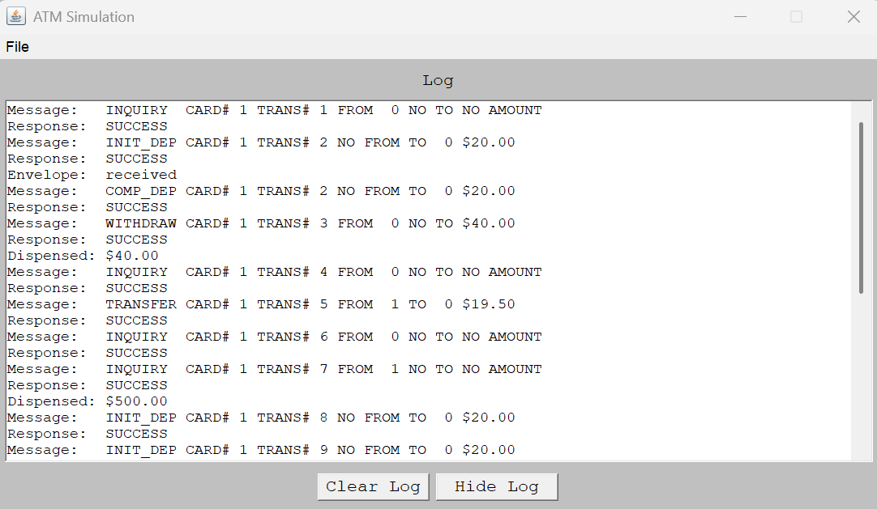
T32 | Receipt | Take Receipt button |  | Clears the receipt box so no text is shown | Pass | Pass
T33 | Cancel | Cancel button in main menu to remove card |  | removes card and ATM displays insert new card | Pass | Pass
T34 | PIN/Card | Log in with Card#2 and correct PIN (1234) |  | Accepts card & PIN, goes to transaction menu | Pass | Pass
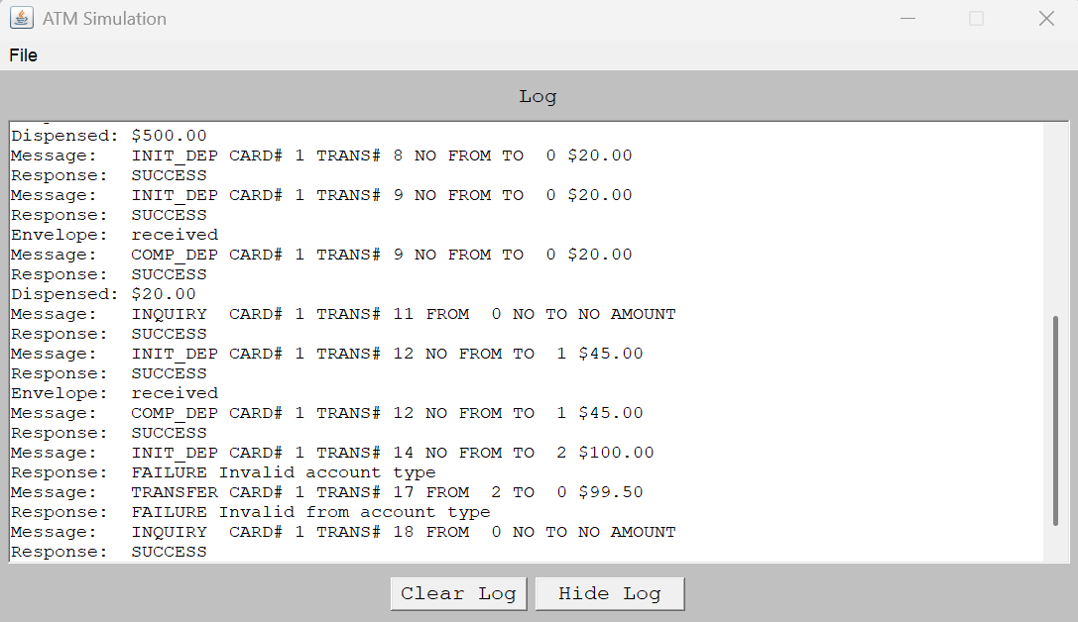
T35 | Inquiry | Balance Inquiry action for account balance | ATM: $160; Card2; Checking - Total Bal: 100, Avail:$100; Savings: Total Bal: $1000, Available: 1000; Money Market: 5000 | Checking, Savings and Money Market show as option to review their balance | Failed - Savings account did not appear as option | Pass
T36 | Inquiry | Balance Inquiry for checking | ATM: $160; Card2; Checking - Total Bal: 100, Avail:$100; Savings: Total Bal: $1000, Available: 1000; Money Market: 5000 | Shows receipt with: Transaction#19, Card#2, Checking Account, Total balance: $100, Available: $100, Displays prompt to continue with another transaction. Logs message for trans 19 | Failed - Shows Card#3, Shows Balance from checking account of Card#1. Total Balance: $99.50, Available:$79.50. Log shows correct credit card number | Fail - shows Card#3 and balance of checking account of Card#1
T37 | Deposit | Deposit small amount ($20) in checking account | ATM: $160; Card2; Checking - Total Bal: $99.50, Avail:$79.50; Savings: Total Bal: $1000, Available: 1000; Money Market: 5000 | Shows receipt with: Transaction#20, Card#2, Checking Account, Amount deposited: $20, Total balance: $119.50, Available: $99.50, Displays prompt to continue with another transaction. Logs 2 messages for trans 20 | Failed - Shows Card#3, Total Balance: $109.50, Available:$79.50. Log shows correct credit card number | Same as T6
T38 | Withdraw | Withdraw valid amount ($20) from checking account | ATM: $160; Card2; Checking - Total Bal: $109.50, Avail:$79.50; Savings: Total Bal: $1000, Available: 1000; Money Market: 5000 | Shows receipt with: Transaction#21, Card#2, Checking Account, Amount withdrawn $20, Total balance: $99.50, Available: $59.50.50, Displays prompt to continue with another transaction. Logs 1 messages for trans 21 | Failed - Error for insufifcient funds displayed, prompts to choose a different amount | Same as T7
T39 | Withdraw | Withdraw invalid amount from checking account (Press 8 on keypad) | ATM: $160; Card2; Checking - Total Bal: $109.50, Avail:$79.50; Savings: Total Bal: $1000, Available: 1000; Money Market: 5000 | Displayes error and prompts to choose another amont from the selection | Failed - Shows $20 in the gray box temporarily as withdrawn. Log shows $20 were dispensed. | Pass
T40 | Cancel | Cancel withdraw from Checking account |  | Cancels withdraw and prompts to go back to transaction menu | Pass | Pass

T42 | PIN/Card | Invalid PIN 3 times to block card (enter 34 for Card#2) |  | After 3 tries, a message says card was retained. Attempting to insert card#2 should fail | Fail - Although the message did pop up after putting the invalid PIN 3 times, when the system went back to prompting for new card, I was able to insert Card#2 and access its account with the correct PIN | Fail - Displays message that card has been retained, then goes back to option to insert card. Still able to perform transactions in "retained" card.
T43 | Session | Press "OFF" button to shut down ATM while logged with Card#2 |  | Should not be able to press the button | Pass | Pass
T44 | Session | Press "OFF" button to shut down ATM after ejected Card#2 |  | Display of ATM not available should show and insert card button should disappear | Pass | Pass
T45 | Inquiry | Balance Inquiry for Money Market on Card#2 | System showing list of transactions available | System displays "Invalid account message" due to card 2 not having Savings. | Pass | Pass

